Marksheet
 | Examination Number
 | Master Copy |  |  |  | 0%
 |  | 180 |  |  | 0 |  |  | Examiner + Comments
 | Computer Management |  |  | 17 |  |  | 0
 | QUESTION 1 |  | 17 |  |  | 0
1.1 | Contents extracted ü Correct folder name (Sponsor ‒ Your Examination Number) ü | 2
1.2 | Text file renamed to name of HTML text based editor ü (0 Given for HTML section if non text based editor given) | 1
1.3 | Correct file converted ü To a .csv file ü Note: Do not deduct marks if original file still exists. | 2
 | Computer Management.docx
1.4.1 | 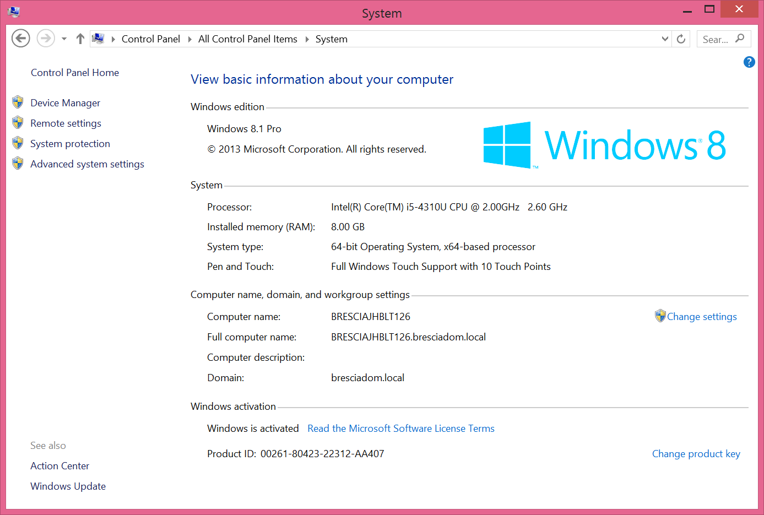 Screenshot of system properties captured ü If permisions did not allow pupil to achieve result, candidate expected to have taken screen shot of error for the mark. | 1
1.4.2 | Open up your Windows Explorer ü Or click Start button or press Windows key Right-click on your computer ü Click on properties ü Note: 3 steps that will achieve result will be marked per a step. If steps will achieve result. | 3
1.5 | Option A only available in newer Windows versions Press Crl + Alt + Del then go to Task Manager (This can also be achieved with Ctrl + Shift + Esc) ü Click on the Startup tab ü Disable the unwanted application ü OR Option B Open the Run dialog (Windows key + R) ü Type in MSConfig and press Enter ü Click on Startup tab and disable the unwanted application ü OR Option C Open Windows Defender (Or any other utility program like CCleaner, Kaspersky etc. …) ü Go to tools and the software explorer ü Choose startup programs and disable the unwanted software. ü Note: 3 steps that will achieve result will be marked per a step. | 3
1.6 | 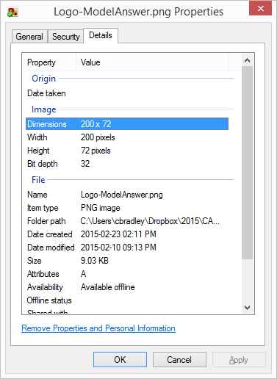 Correct file chosen ü Correct property displayed in screenshot ü Dimensions 200 x 72 | 2
1.7 | Option A Open up Control panel ü Open Programs and Features (Or add/remove programs in older OS's) ü Select the program you want to remove and click yes to confirm the uninstall. ü OR Option B Open the program in program files (Or Windows button/key all programs) ü Navigate for the uninstall file ü Execute the uninstall file ü OR Option C Use an Uninstall App ü such as Revo Uninstaller Two valid instructions for uninstalling using the app üü | 3

 | Word Processing |  |  | 50 |  |  | 0
 | QUESTION 2 |  | 20 |  |  | 0
 | 2015AGM-Agenda.docx
2.1.1 | Examination number in header ü On the right ü | 2
2.1.2 | Page numbers anywhere in the footer ü In the format Page x of y ü | 2
2.2.1 | Logo added to document ü | 1
2.2.2 | Text wrapping of image set to be behind text ü | 1
2.2.3 | Image to the right of the heading ü Line on top of the H, and through the middle of the 3's as shown in the figure below ü | 2

2.3.1 | Heading 1 style modified to be small caps ü Mark not awarded if not applied to Heading 1 but only to the text | 1
2.3.2 | Left indent set to 2 cm ü If mark not already lost in Question 2.3.1, this mark will be lost if only applied to text not to the style | 1
2.4.1 | Bullets applied to correct text ü Text which begins 'Welcome …' and ends '16th Feb 2016': | 1
2.4.2 | Correct character ü Applied to all second level bullets ü | 2
2.5.1 | Page break inserted at correct position ü Must be before the text 'Appendix A' and after the text '16 Feb 2016' to award the mark | 1
2.5.2 | Decimal tab stop at 6 cm ü Dotted Leader ü Deduct one mark if not applied to the correct text. | 2
2.5.3 | Bookmark added and given correct name ü To correct position ü | 2
2.5.4 | Hyperlink applied to the correct text ü Points to the bookmark added in Question 2.5.3 ü | 2
 | QUESTION 3 |  | 19 |  |  | 0
 | Acceptable Behaviour.docx
3.1.1 | Track changes on üü Note: awarded here as formating changes off does not save. Show formatting changes off Note: Must look under show markup that the formating is unticked. | 2
3.1.2 | Comment added ü To correct location (Respect) and text ü | 2
3.1.3 | Honorable corrected ü Briht corrected ü | 2
3.2.1 | Text inclosed in single inverted commas ü Note: Accept smart quote or double quotes 'There is no respect for others without humility in one's self' | 1
3.2.2 | Footnote added ü Correct text ü 'Attributed to Henri Frederic Amiel' | 2
3.3.1 | Paper size set to A5 ü | 1
3.3.2 | Multiple pages set to Book fold üü | 2
3.4 | All text set to justified ü | 1
3.5.1 | Image Cropped ü Only man in the middle displayed ü | 2
3.5.2 | Image height enlarged ü Exactly to 7 cm ü | 2
3.6 |  Table of contents added ü Is a automatically generated table of contents ü An example of table of contents given below: | 2

 | QUESTION 4 |  | 11 |  |  | 0
 | Stickers.docx
4.1 | Document has been linked to a file ü To correct file ü Merge When opening the file, it should come up with a message reading "Opening this document will run the following SQL command:" This indicates that it has been linked to a file for the first mark, this will be followed by a SQL statement reading SELECT * FROM 'Members' this indicates that correct file has been chosen. | 2
4.2 | 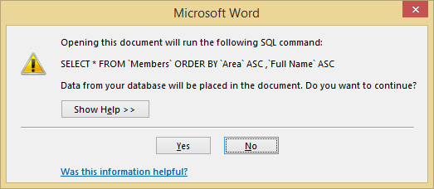 Ascending by Area ü Then ascending by Full_Name ü Done in data source not in table ü Note: Check SQL statement: SQL should read 'SELECT * FROM 'Members' ORDER BY 'Area' ASC, 'Full Name' ASC'. If ORDER BY not present then check database to see if sort was applied to the table. If applied in the database they lose the 3rd mark. If done correctly the document will display the following when you open the file: | 3
4.3 | Field Code inserted ü Both Name and Place replaced by field coded <<Full_Name>> and <<Area>> respectively ü | 2
4.4 | Next replaced with rule field to move to next record ü | 2
4.5 | Contents copied to another cell ü Has been copied to all other cells ü | 2
 | Excel |  |  | 48 |  |  | 0
 | QUESTION 5 |  | 48 |  |  | 0
 | Finances.xlsx
 | Sheet 1 / Expenses
5.1 | Sheet1 renamed to Expenses ü | 1
5.2 | Column C formatting changed to Currency ü Set to 0 decimal places ü | 2
5.3 | Conditional formatting applied to column C ü Colour Scale applied, Red for large, Green for small ü Note: Check rule not colour | 2
5.4.1 | Row inserted ü Above the first row ü | 2
5.4.2 | Merged & Centred ü A1:E1 | 1
5.4.3 | Text added ü Expenses Bold applied to whole text ü | 2
5.5.1 | Single border around outside of table ü | 1
5.5.2 | A dashed border added ü Inside of the table ü | 2
5.6 | Hyperlink added to text Member ü Points to sheet Members ü | 2
 | Income
5.7 | A1:D1 formatted to have a yellow background ü | 1
5.8 | Sorted by Type ascending ü Additional sort field added ü Sorted by Amount descending ü | 3
5.9 | Filter added to table ü Set to only display where Received = Yes ü | 2
 | Members
5.10.1 | Orientation of text in the first row set to 90 Degrees (Text up) ü | 1
5.10.2 | Page layout set to print gridlines ü | 1
5.11 | Custom format applied ü Custom format set to 0' P3ps' or 0" P3ps" üü Note: Hashtag works and acceptable, also one or 3 number holders is fine i.e. ###' P3ps' is acceptable. Deduct one mark if custom format does not contain a space | 3
5.12 | Cell: F2 Solution: =HLOOKUP(E2;$J$1:$L$2;2;FALSE) Function: Hlookup( ü Lookup Value and Table array: e2 and J1:L2 ü Column and Range Lookup: 2 and FALSE ü Expanded To: F161 ü Expanded and calculation remains correct First 3 Answers: 200, 200, 400, ... (Please note, calculation must be marked not answers) Note: do not deduct a mark if absolute cell reference was not used, only if calculation wrong when expanded. If they updated the calculation manualy then they would have been penalised with time, so do not feel they need to lose the mark too. Note: If pupil edits lookup table to be verticle and uses a vlookup you can award the marks. Ensure lookup table has been transposed before awarding. Alternative Answer: =IF(E2=$J$1;$J$2;IF(E2=$K$1;$K$2;$L$2)) | 4
5.13.1 | Cell: H2 Solution: =ROUNDDOWN((NOW()-G2)/365.25;0) Todays date ü This must be automatically updating, but by any method which will return todays date. Subtract the date of birth G2 ü /365.25 ü Rounded down ü First 3 Answers: 21, 31, 25, …(Please note, calculation must be marked not answers) | 4
5.13.2 | Calculation expanded to apply to all members ü | 1
 | Summary
5.14 | Cell: B1 Solution: =COUNT(Members!H:H) Function: Count or CountA or Rows ü Range: All records in column D, F, G or H if Count and Columns A, B, C or E if CountA used ü Answer: 160 (Please note, calculation must be marked not answer) | 2
5.15 | Cell: B2 Solution: =SUM(Members!D:D) Function: SUM Range: All records in column D Answer: 23540 | 2
5.16 | Cell: B3 Solution: =MAX(Members!D:D) Function: Max or Large ü (If Large second parameter must be 1) Range: Members!D:D or Members!D2:D161 ü Alternatively name the range and refer to the name. Answer: 310 (Please note, calculation must be marked not answer) | 2
5.17 | Cell: B4 Solution: =LARGE(Members!D:D;2) Function: Large function used ü Range and Kth number: Correct cell range and 2 ü Members!D:D or Members!D2:D161 or if they named the range. Answer: 295 (Please note, calculation must be marked not answer) | 2
5.18 | Correct data selected for chart ü A7:B10 Pie chart created ü Largest Contributor highlighted ü Note: Significantly stands out Percentage contribution displayed as label ü Appropriate title given ü | 5
 | Access |  |  | 43 |  |  | 0
 | QUESTION 6 |  | 43 |  |  | 0
 | P33ps-Question6.mdb
 | Venues
6.1 | All fields (3) ü All records (15) ü Imported successfully To the existing table Venues ü Note that the delimiter # had to be used in import. | 3
 | Contacts
6.2.1 | ContactID field set as the primary key field ü | 1
6.2.2 | Field created called Full Name ü Is set as a required field ü | 2
6.2.3 | Input mask added ü 0 wild card added ü Do not accept 9 10 placeholders ü 0000000000 Formating does not matter, as long as there are 10 place holders of 0 | 3
6.2.4 | Field Venue FK created ü Looks up from table Venues ü Field Venue Name ü Ensure in design view check lookup properties. 6.1 does not effect this question. | 3
 | Organisers
6.3.1 | A value list ü Either a combo box or list box ü Row Source PR;PA;HR ü | 3
6.3.2 | Between or >= AND <= used ü -2009 ü Year(Date()) ü Appropriate validation text ü Between 0 And Year(Date())-2009 | 4
 | frmEvents
6.4.1 | Event Name, Date of Event and Organiser FK fields from the Events table added ü All fields from the Venues table added ü Form is grouped by the Venues table ü Form named frmEvents ü | 4
6.4.2 | Examination number in form header ü | 1
6.4.3 | Button added to form ü Button takes you to next record üü | 3
 | qryPriceRange
6.5.1 | ONLY Venue FK field displayed ü Criteria placed on Amount field of >=200 and ü <=800 ü Alternative solutions: Between 200 and 800 Field Amount placed on two colums and criteris of >=200 applied to the one and <=800 applied to the other, the criteria on the same row. Criteria of 'per day' applied to Amount Type field ü | 4
 | qryOrganisers
6.5.2 | Count grouping applied to primary key field (OrganiserdID) ü or by position. Grouped by grouping applied to the Position field ü Both fields displayed ü | 3
 | qryWithNewMembers
6.5.3 | Event Name and Date of Event from the Events table displayed ü Field created Labeled New Invited ü Invited+5 üü | 4
 | rptEventsOrganised
6.6.1 | First Name, Surname and Position from the table Organisers added ü Event Name and Date of Event from Events table added ü Report is grouped by the Organiser table ü | 3
6.6.2 | All fields are clearly visible ü | 1
6.6.3 | Text colour of the Date of Event to blue ü | 1
 | HTML |  |  | 22 |  |  | 0
 | QUESTION 7 |  | 22 |  |  | 0
 | index.html
7.1 | Title added between the Head tags ü <TITLE> tag opened and closed ü Text P33ps ‒ Your Examination number added ü <TITLE>P33ps ‒ Your examination number</TITLE> | 3
7.2 | <H1> tag opened and closed and text added between tags ü Correct position in the body of site ü <H1>P33ps ‒ Who we are!</H1> | 2
7.3.1 | <IMG> tag used ü SRC= attribute applied ü Location of image 'Images\events.png' ü Do not award this mark if full path is used, as it will prevent the images from working when uploaded to a server or copied to a new machine. <IMG SRC='Images\events.png'> | 3
7.3.2 | Alternative text added ü <IMG SRC='Images\events.png' ALT='Link to Events'/> | 1
7.3.3 | Image is enclosed in an <a> tag ü Href attribute added to a tag ü Points directly to events.html ü Do not award the mark if full path is used <A HREF='events.html'><IMG SRC='Images\events.png' ALT='Link to Events'/></a> | 3
 | events.html
7.4.1 | Paragraph tag added ü Containing text 'Welcome to the events page.' ü <P>Welcome to the events page</P> | 2
7.4.2 | Color='blue' added to tag ü or style={color:blue} Note: the color attribute has been discontinued with HTML 5, so may not display correctly when page opened, you may still award the marks. The colour change of the text should be done using the style attribute style="color:blue". <P COLOR='Blue'>Welcome to the events page</P> | 1
7.4.3 | <BR> tag added in correct location ü <P style="color:blue">Welcome to the<BR/>events page.</P> | 1
7.5 | Table tag sets used <table><tr><td> ü Tags used in the table have been closed ü head tag <th> or formated to look similar <td><center><b> ü Three rows ü Attribute to merge 1st cell on row Colspan=2 ü Border =2 ü Can be 1 or any value greater than 0 Solution: <table border=2> <tr> <th colspan=2> Upcoming Events </th> </tr> <tr> <th> Event </th> <th> Date </th> </tr> <tr> <td>The feast</td> <td>12th December</td> </tr> </table> | 6

